Performer Info
Company | Universitat Politècnica de València
Product name | Maxa Worldview 3
(1) Please provide a detailed description of system configuration and primary components including the sensor and deployment platform. Additionally, the location (latitude, longitude, height) of auxiliary components such as meteorological station or any other equipment installed at or near the Test Center must be recorded. | 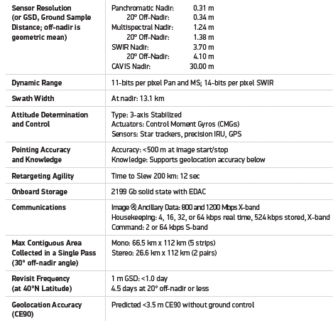
(2) Please record the model number of each primary component in (1), if applicable. | Sun-synchronous orbit, altitude = 617 km, inclination = 98º, LTDN (Local Time on Descending Node) = 13:30 hours, period = 97 minutes. The WV3 angular acquisition (in degrees) is indicated in the columns 'vza' and 'sza' contained in the spreadsheet 'extrainfo'.
(3) Please record the software revision installed on the components in (1), including performer-specific software components, revisions, or customizations
(4) Please record the revision number of any software analytics installed offsite. For example software to convert concentration maps to mass emission quantification estimates during the experiments.
(5) Please provide a detailed description of the methodology used during emission detection/quantification surveys. | A single overflight with multispectral imagery (8 band SWIR -WV3 product). The method is based on a ratio of bands or a linear regression of them. Specified for each overpass in the column 'method' contained in the spreadsheet 'extrainfo'.
(6) Please provide the confidence level at which emission detection data are reported. (e.g., 95% CI, +/- 1 sigma) | +/- 1 sigma (68.27%)
(7) Please record the number of personnel participating in the surveys and their roles. Any remote personnel participating in the survey in any fashion should be documented as part of the survey team in this section. Names of individual personnel are not required.
(8) For hyperspectral technologies, describe how plume length is determined for quantification. | L is a plume length scale in m (square root of the entire area covered by the plume pixels at 3.7 m resolution).
(9) If wind speed is used in computing total emission rate, please describe how the wind estimate is obtained, including the precise instrument or wind reanalysis product used. | We averaged the U10 values obtained from the u,v components of the GEOS-FP product at 17.30 and 18.30. Specific values for each GEOS-FP can be found in the spreadsheet 'extrainfo'.

extrainfo
DateOfSurvey | Timestamp | U10 | U10 angle |  | pix x | pix y | vza | sza | vaa | saa | method |  | detected
2022-10-10 | 0.7625 | 1.1116702852 | 154.70173588 | repeated with Landsat | 2272 | 13785 | 10.7 | 41.7 | 172 | 158.6 | 7vs 5 |  | no plume | possible plume but finally discarded due to inconsistency of wind and potential effect of human-made paths on the surface (see PAN image)
2022-10-17 | 0.7708333333 | 1.8442170696 | 216.17109542 | repeated with Landsat | 1791 | 14016 | 23 | 43.4 | 296.8 | 163.9 | 8vs lr(1,2,4,5,6) |  | no plume
2022-10-29 | 0.7645833333 | 1.894019316 | 100.20790825 |  | 827 | 13749 | 5 | 48 | 178.5 | 162.6 | 7vs 5 |  | no plume
2022-11-10 | 0.7558564815 | 2.7573933311 | 313.26465055 | repeated with Landsat | 2715 | 13296 | 28.2 | 52.1 | 141.5 | 161 | 7vs 5 |  | plume
2022-11-17 | 0.7630324074 | 5.6945559884 | 46.431499846 |  | 1862 | 13148 | 8.8 | 53.3 | 207.9 | 164.2 | 7vs 5 |  | plume
2022-11-22 | 0.7490509259 | 1.1531805233 | 284.04588502 |  | 896 | 14297 | 39.1 | 55.7 | 107 | 158.8 | 7vs lr(1,2,4,5,6) |  | cloudy | the image is cloudy but we see some enhancement (see snapshot)
2022-11-29 | 0.7597222222 | 4.7702053099 | 198.37670775 |  | 1143 | 14057 | 20.5 | 56.4 | 104.3 | 161.4 | 7vs 5 |  | plume

 |  |  | wv3prod = ['22OCT10181729-A1BS-200002950053_01_P001.TIF', |  |  | DateOfSurvey | Timestamp | 17.30 UV | 17:30 U10 | 17:30 angle | 18.30 UV | 18:30 U10 | 18:30 angle | u10selected | 18:30 angle(from North) | GEOS_FP U10error[%] | GEOS_FP angle error
 |  |  | '22OCT17182742-A1BS-200002972859_01_P001.TIF', |  |  | 2022-10-10 | 0.7625 | (-1.8878284, -0.29154122) | 1.9102073609 | -171.22102 | (-1.4791617, -0.18550387) | 1.4907485157 | -172.85176 | 1.7004779383 | 262.85176 | 52.966033271 | 108.15002412
 |  |  | '22OCT29181742-A1BS-200003012981_01_P001.TIF', |  |  | 2022-10-17 | 0.7708333333 | (-2.53606, -0.034347087) | 2.5362926738 | -179.22406 | (-2.2460382, -0.7470677) | 2.3670229661 | -161.60205 | 2.45165782 | 251.60205 | 32.937595061 | 35.43095458
 |  |  | '22NOV10180843-A1BS-200003059607_01_P001.TIF', |  |  | 2022-10-29 | 0.7645833333 | (-2.37598, -0.5395174) | 2.4364645523 | -167.20668 | (-1.4309967, -0.82435924) | 1.6514598343 | -150.05489 | 2.0439621933 | 240.05489 | 7.9166498489 | 139.84698175
 |  |  | '22NOV17181847-A1BS-200003087241_01_P001.TIF', |  |  | 2022-11-10 | 0.7558564815 | (0.2563411, -2.4102483) | 2.4238414817 | -83.92914 | (0.42016733, -1.6395444) | 1.6925266073 | -75.6261 | 2.0581840445 | 165.6261 | -25.357618686 | -147.63855055
 |  |  | '22NOV22175839-A1BS-200003104037_01_P001.TIF', |  |  | 2022-11-17 | 0.7630324074 | (-3.8129065, -0.07794596) | 3.813703132 | -178.82887 | (-3.173304, -0.946262) | 3.3113849922 | -163.39569 | 3.5625440621 | 253.39569 | -37.439476065 | 206.96419015
 |  |  | '22NOV29180846-A1BS-200003126139_01_P001.TIF' |  |  | 2022-11-22 | 0.7490509259 | (-1.1179292, 0.30048034) | 1.1576070895 | 164.95543 | (-1.4856393, -0.46798408) | 1.5576049979 | -162.5153 | 1.3576060437 | 252.5153 | 17.727104842 | -31.530585025
 |  |  | ] |  |  | 2022-11-29 | 0.7597222222 | (2.1710958, 3.0209765) | 3.7202091954 | 54.296196 | (1.3559072, 1.3934305) | 1.9442563665 | 45.78193 | 2.8322327809 | 45 | -40.626606258 | -153.37670775
 |  |  | wv3pix_x = [2272,1791,827,2715,1862,896,1143]
 |  |  | wv3pix_y = [13785,14016,13749,13296,13148,14297,14057]
 |  |  | u10 = [1.700477938,2.45165782,2.043962193,2.058184045,3.562544062,1.357606044,2.832232781]
 |  |  | uang = [-172.85176,-161.60205,-150.05489,-75.6261,-163.39569,-162.5153,45.78193] |  |  |  |  |  |  |  | cloudy image on the 22nd of November |  |  |  |  |  |  | PAN image on the 10th of October
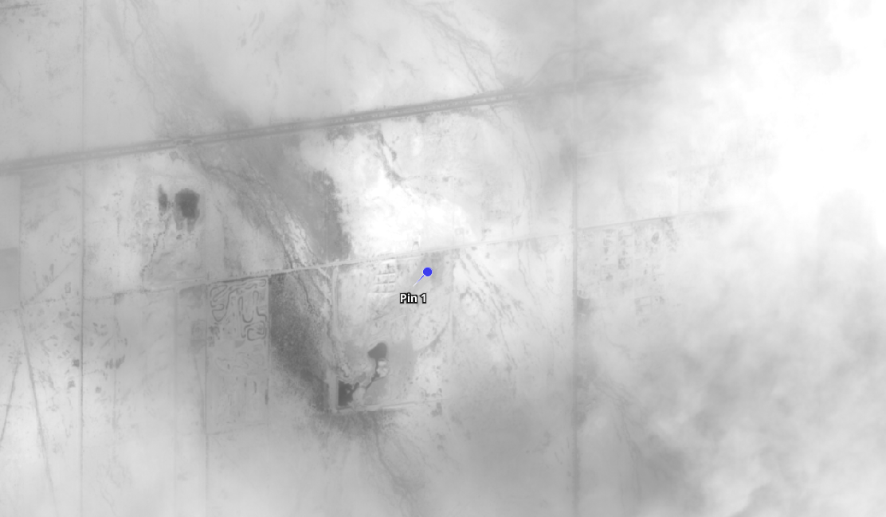
 |  |  | vza = [-1, 23, -1, 28.2, 8.8, 39.1, 20.5]
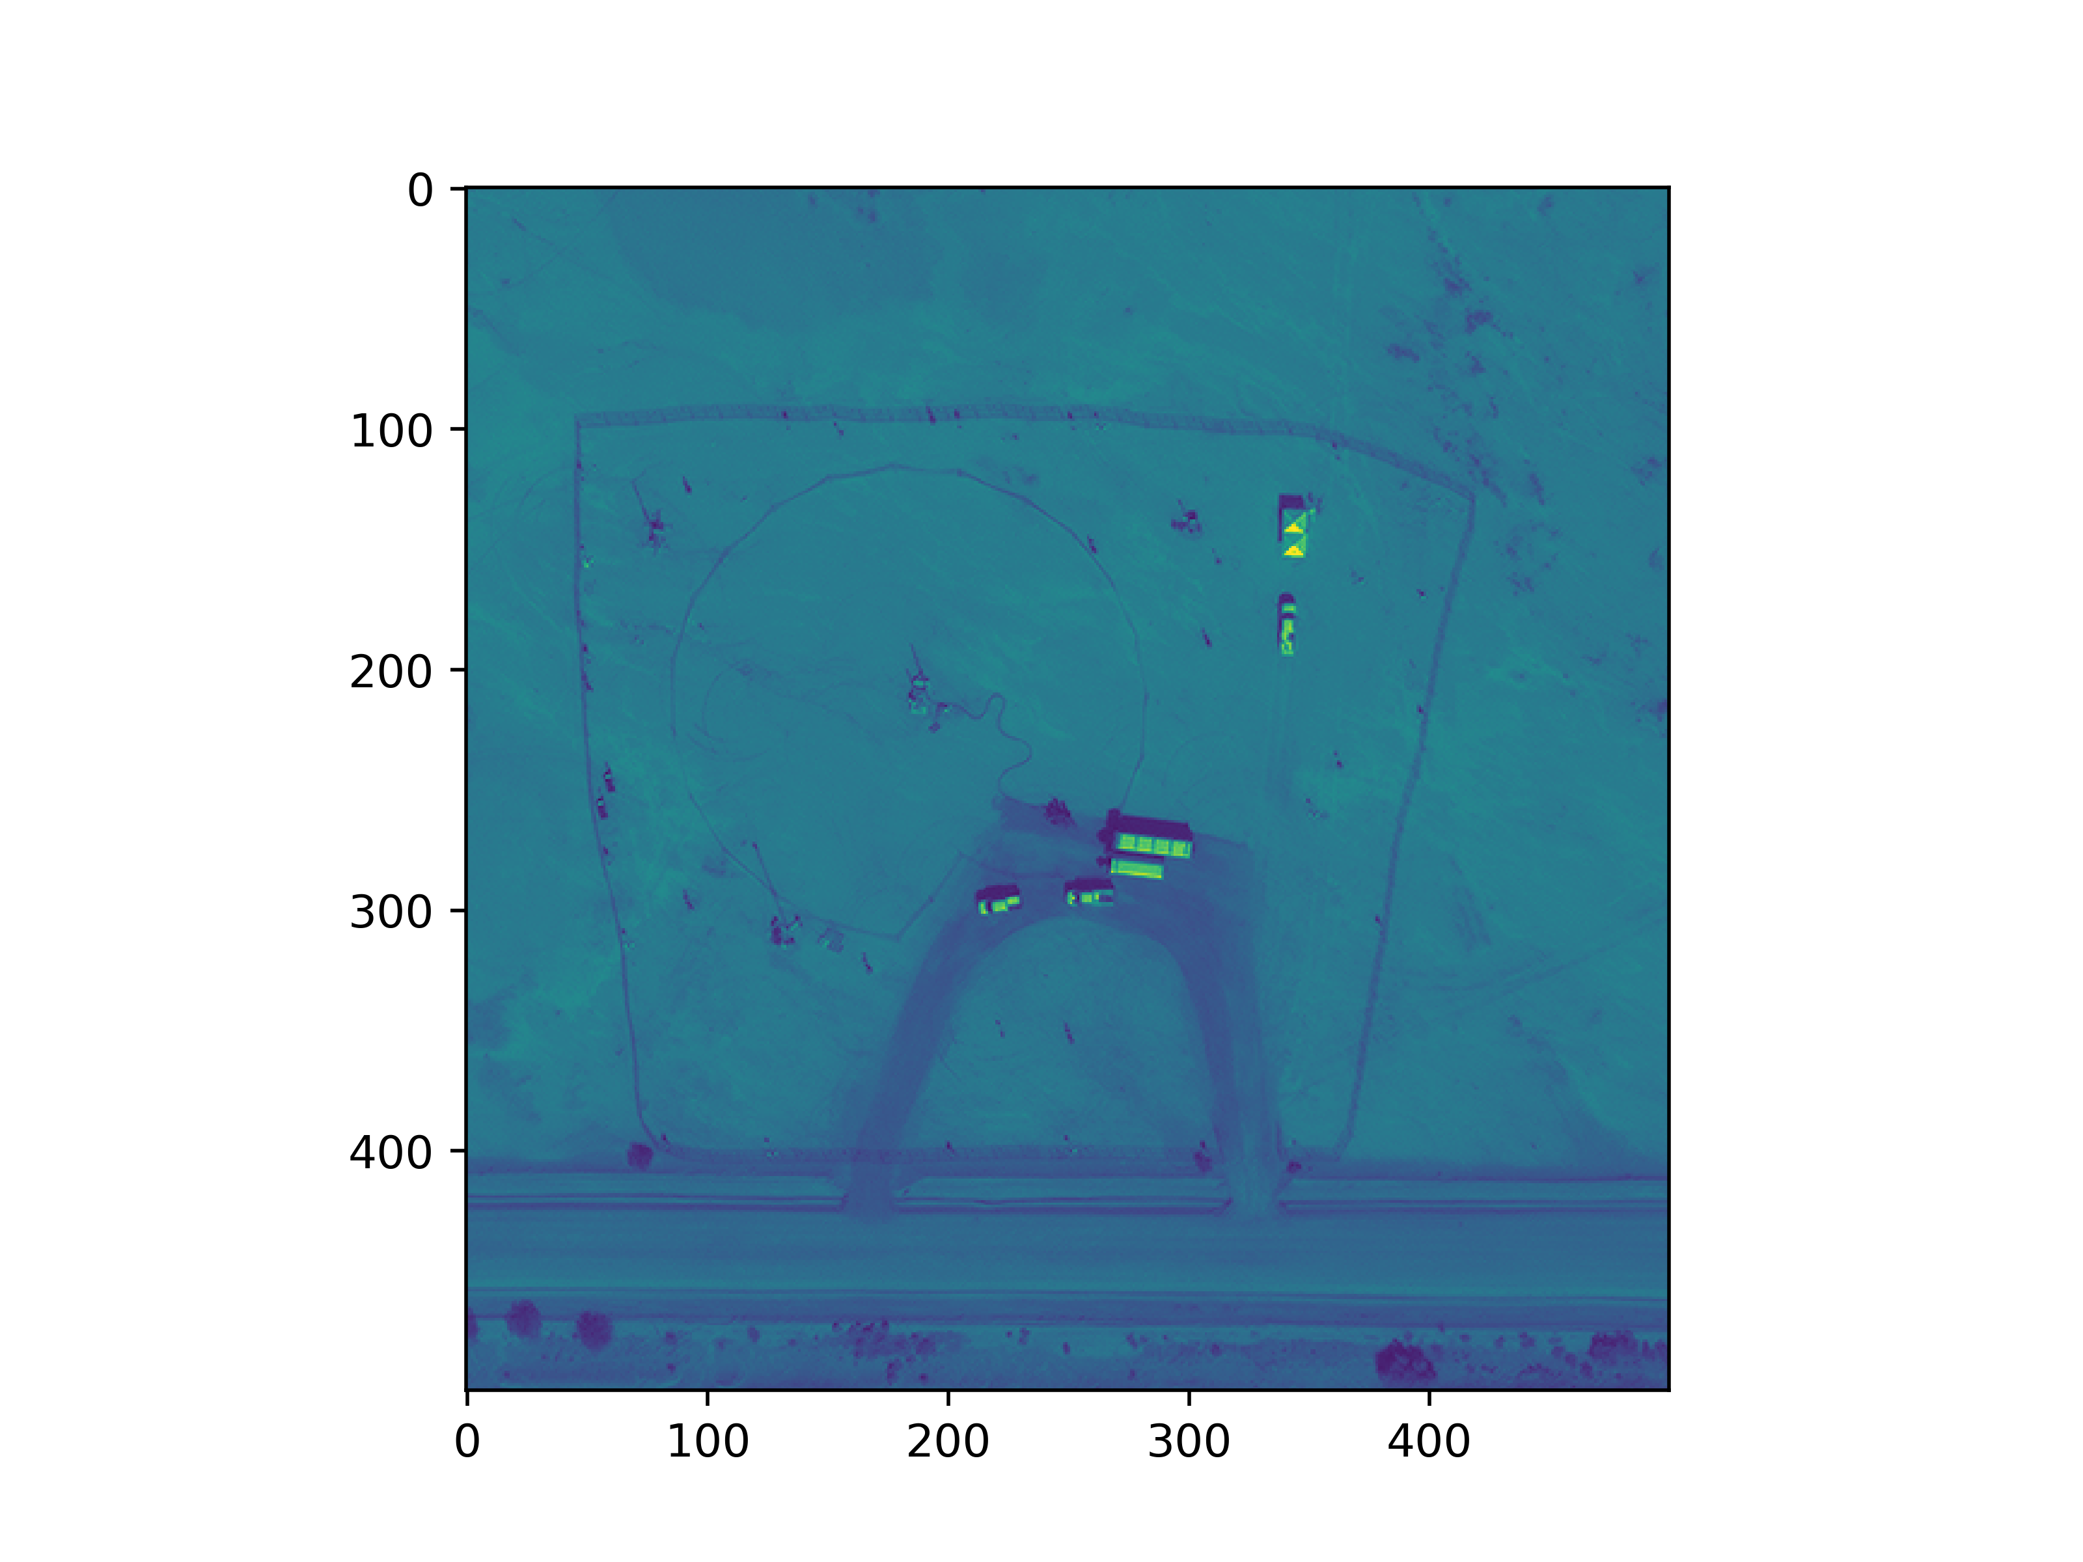
 |  |  | sza = [-1, 43.4, -1, 52.1, 53.3, 55.7, 56.4]
 |  |  | import os
 |  |  | PRODUCT_FOLDER = '/home/gorrono/Desktop/UPV/Stanford2ndexperiment/WV3products/wv3_stanfordexpv2/'
 |  |  | import wv3_methane
 |  |  | i=5
 |  |  | wv3 = wv3_methane.WV3Methane()
 |  |  | wv3.u10 = u10[i]
 |  |  | wv3.x = wv3pix_x[i]
 |  |  | wv3.y = wv3pix_y[i]
 |  |  | wv3.uang = uang[i]
 |  |  | wv3.sza = sza[i]
 |  |  | wv3.vza = vza[i]
 |  |  | wv3.wv3file = os.path.join(PRODUCT_FOLDER,wv3prod[i])
 |  |  | wv3.wv3methane()

